Indices

 | Iraq Stock Exchange
 | Bulletin No (57)
 | ISX Trading Indices of Monday 6/4/2026

 | Traded Volume and OTC |  | 27,438,402,858 |  | Traded Value and OTC |  | 4,120,984,645 |  | Traders | 1216

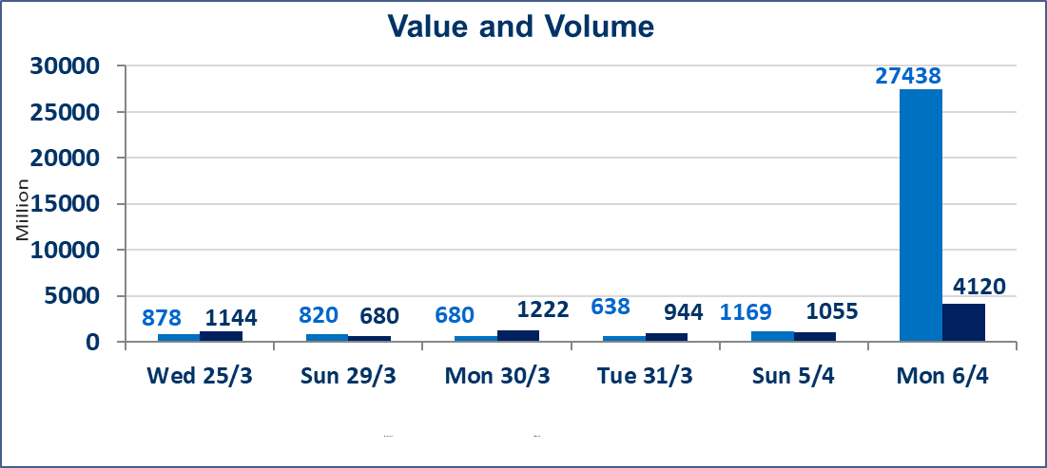
 | ISX Index 60 |  |  | 969.22 | ISX Index 15 |  |  | 1236.77
 | Previous ISX Index60 |  |  | 968.24 | Previous ISX Index15 |  |  | 1232.11
 | Change % |  |  | 0.10 | Change % |  |  | 0.38
 | Change |  |  | 0.98 | Change |  |  | 4.66

 | Listed Companies | 104 | OTC | 14 | Non Traded listed | 39 | OTC | 12
 | Traded Listed Companies | 51 | OTC | 2 | Higher Companies |  |  | 12
 | GAM Companies |  |  | 4 | Lower Companies |  |  | 17
 | Suspended Companies |  |  | 10
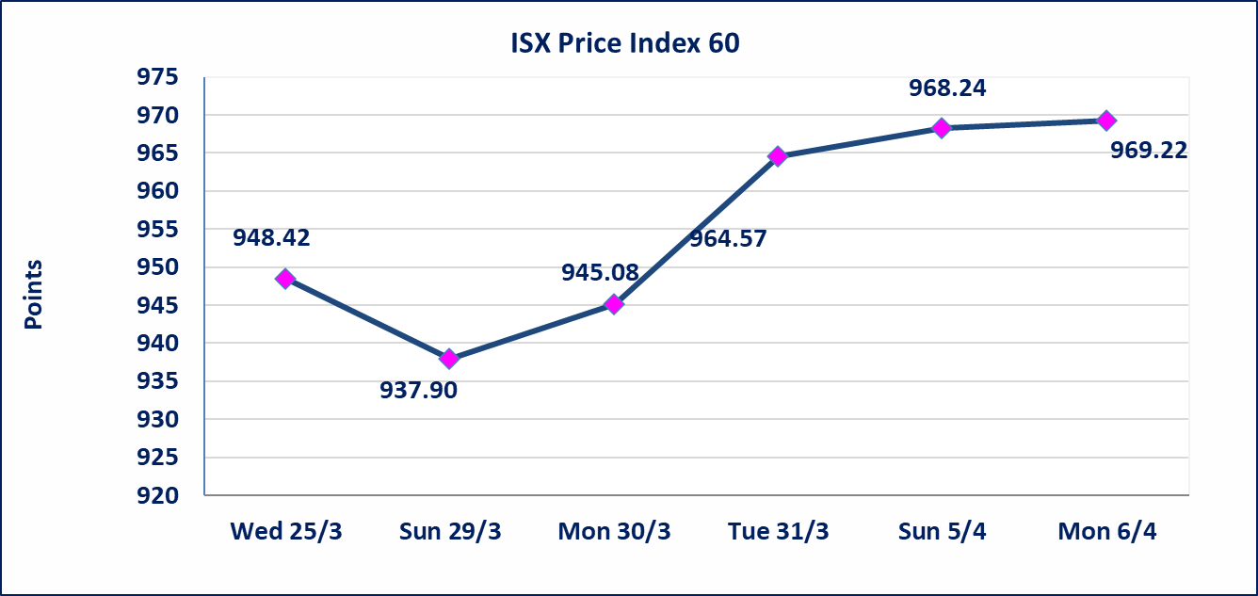
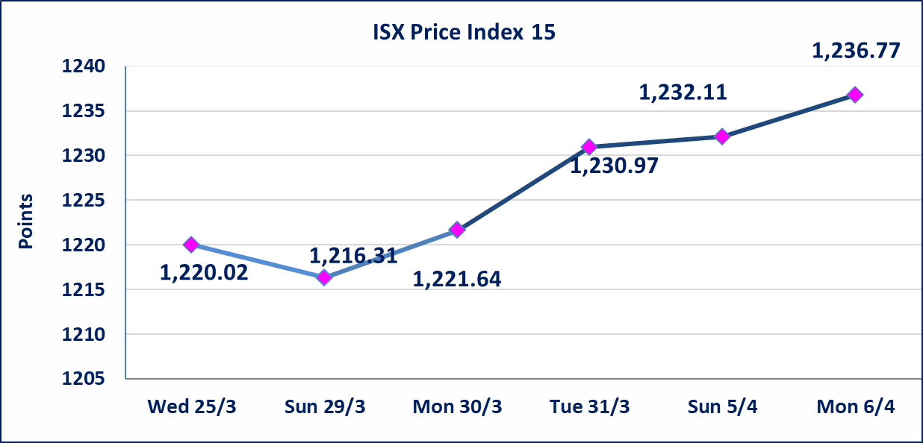

 | special orders | Noor Al-Wamidh Brokerage Company executed a deliberate cross order on the shares of Erbil Bank with a number of shares (26,500,000,000) shares with a value of (2,915,000,000) IQD, during the additional session time (after 1 pm) in accordance with the procedures for executing large transactions.
Al-Alwiya P.O . 3607 Mobile: 07711211522 - 07270094594 - 07834000034 E-mail: info-isx@isx-iq.net Web site:www.isx-iq.net

Top 5
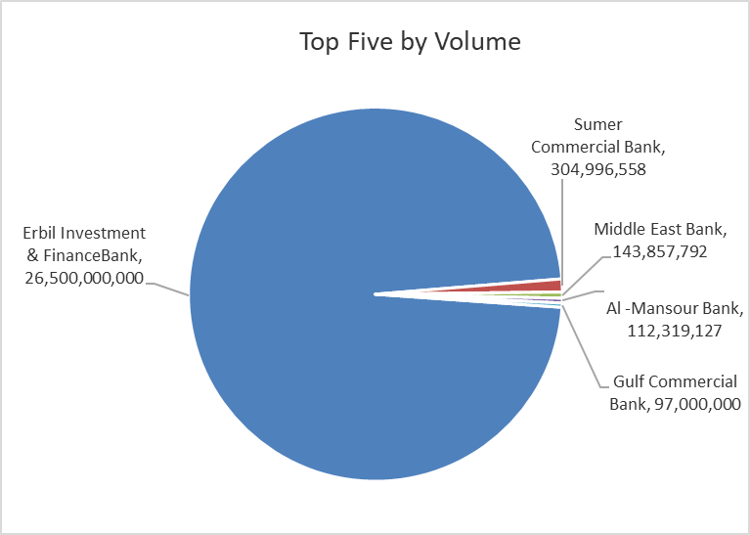
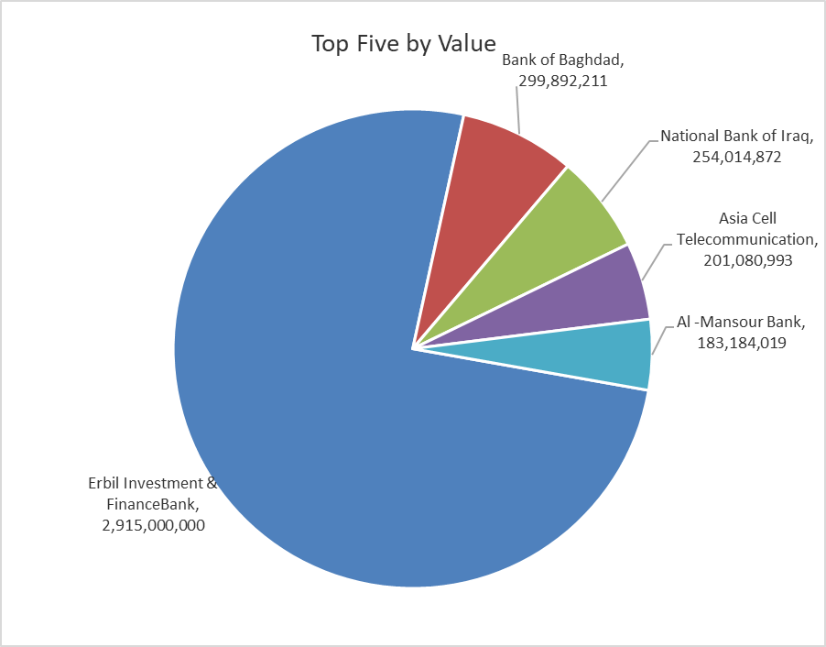

ISX top ganing and losing companies
Monday 6/4/2026
 | Gainers |  |  |  | Losers
 | Company Name | Closing Price | Change (%) | Traded Volume | Company Name | Closing Price | Change (%) | Traded Volume
 | Middle East Bank | 0.070 | 16.67 | 143,857,792 | Iraqi Carton Manufactories | 2.470 | -4.63 | 1,493,392
 | Sumer Commercial Bank | 0.180 | 5.88 | 304,996,558 | Rehab Karbalaa | 0.630 | -4.55 | 302,453
 | Ashur International Bank | 0.240 | 4.35 | 5,700,000 | Modern Construction Materials | 1.300 | -4.41 | 173,635
 | Babil Animal & Vegetable Production | 7.200 | 3.60 | 309,263 | Dar Al-Salam for Insurance | 0.760 | -3.80 | 467,937
 | National Bank of Iraq | 4.860 | 1.67 | 52,748,163 | Al-Ameen Estate Investment | 1.840 | -2.65 | 207,050
 | The most active companies in term of traded volume and value

 | Traded Volume |  |  |  | Traded Value
 | Company Name | Closing Price | Change (%) | Traded Volume | Company Name | Closing Price | Change (%) | Traded Value
 | Erbil Investment & FinanceBank | 0.110 | 0.00 | 26,500,000,000 | Erbil Investment & FinanceBank | 0.110 | 0.00 | 2,915,000,000
 | Sumer Commercial Bank | 0.180 | 5.88 | 304,996,558 | Bank of Baghdad | 3.450 | -0.86 | 299,892,211
 | Middle East Bank | 0.070 | 16.67 | 143,857,792 | National Bank of Iraq | 4.860 | 1.67 | 254,014,872
 | Al -Mansour Bank | 1.640 | 0.61 | 112,319,127 | Asia Cell Telecommunication | 15.000 | 0.40 | 201,080,993
 | Gulf Commercial Bank | 0.340 | 0.00 | 97,000,000 | Al -Mansour Bank | 1.640 | 0.61 | 183,184,019

Non Iraqi

Iraq Stock Exchange
Non Iraqis' Bulletin Monday April 6 2026
Regular Market

Non Iraqi Trading of Regular Market (Sell)
Company Names | Code | No.of trades | Traded Shares | Trading Volume
Banks Sector
National Bank Of Iraq | BNOI | 126 | 42,000,000 | 202,040,710
Total Bank sector |  | 126 | 42,000,000 | 202,040,710
Telecommunication Sector
Asia cell | TASC | 19 | 6,215,224 | 93,124,056
Total Telecommunication sector |  | 19 | 6,215,224 | 93,124,056
Grand Total |  | 145 | 48,215,224 | 295,164,766

Not Trading Bonds

Iraq Stock Exchange
Monday 6/4/2026
Not Trading Bonds Bulletin
Bond type | Publish type | Code | last trading price | immortilize date
Banaa Bonds /Million ID | Second | CB20 | 964,981 | 19/12/2025
Eamar Bonds /Million ID | First | CB30 | 1,001,095 | ــــــــــــــــ
Eamar Bonds /Million ID | Second | CB40 | ــــــــــــــــ | ــــــــــــــــ
Eamar Bonds /500 Thousand ID | Third | CB45 | ــــــــــــــــ | ــــــــــــــــ
Eamar Bonds /Million ID | Third | CB50 | ــــــــــــــــ | ــــــــــــــــ
Injaz Bonds /500 Thousand ID | First | CB55 | ــــــــــــــــ | ــــــــــــــــ
Injaz Bonds /Million ID | First | CB60 | ــــــــــــــــ | ــــــــــــــــ
Injaz Bonds /500 Thousand ID | Second | CB65 | 503,793 | ــــــــــــــــ
Injaz Bonds /Million ID | Second | CB70 | 965,050 | ــــــــــــــــ
Injaz Bonds /500 Thousand ID | Third | CB75 | ــــــــــــــــ | ــــــــــــــــ
Injaz Bonds /Million ID | Third | CB80 | 978,182 | ــــــــــــــــ
National Bonds/Million ID | First | CB90 | ــــــــــــــــ | ــــــــــــــــ
National Bonds/500 Thousand ID | Second | CB95 | ــــــــــــــــ | ــــــــــــــــ
National Bonds/Million ID | Second | CB100 | ــــــــــــــــ | ــــــــــــــــ

